Table 17
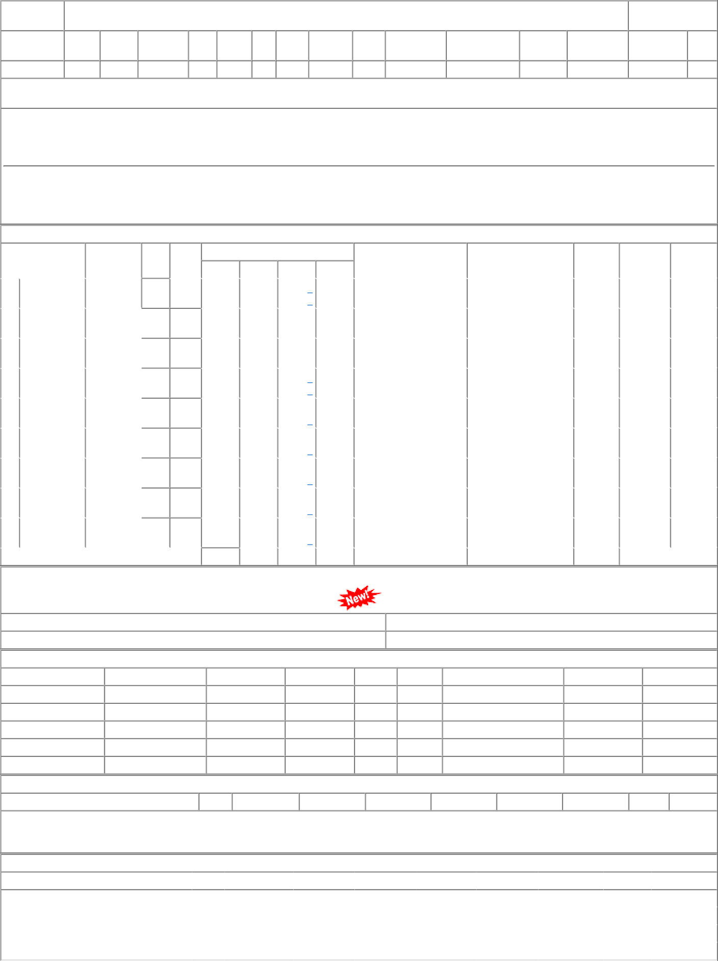
Sr | Depot | AI Rate | PO Qty | Unit | Due Qty | Start Dp | Dely.Dt | Dem.No.
001 | BCT-CD | 43.01 | 1364 | Nos. | 15 | 2022-04-01 | 2022-10-10 | 0421063064
002 | BVPW | 43.01 | 1177 | Nos. | 1177 | 2023-04-01 | 2023-04-30 | 2821063064
003 | PL-CR | 43.01 | 13000 | Nos. | 0 | 2022-03-03 | 2022-10-10 | 0221063064
004 | PL-CR | 43.01 | 13000 | Nos. | 13000 | 2023-04-01 | 2023-04-30 | 0221063064

